Java and Related
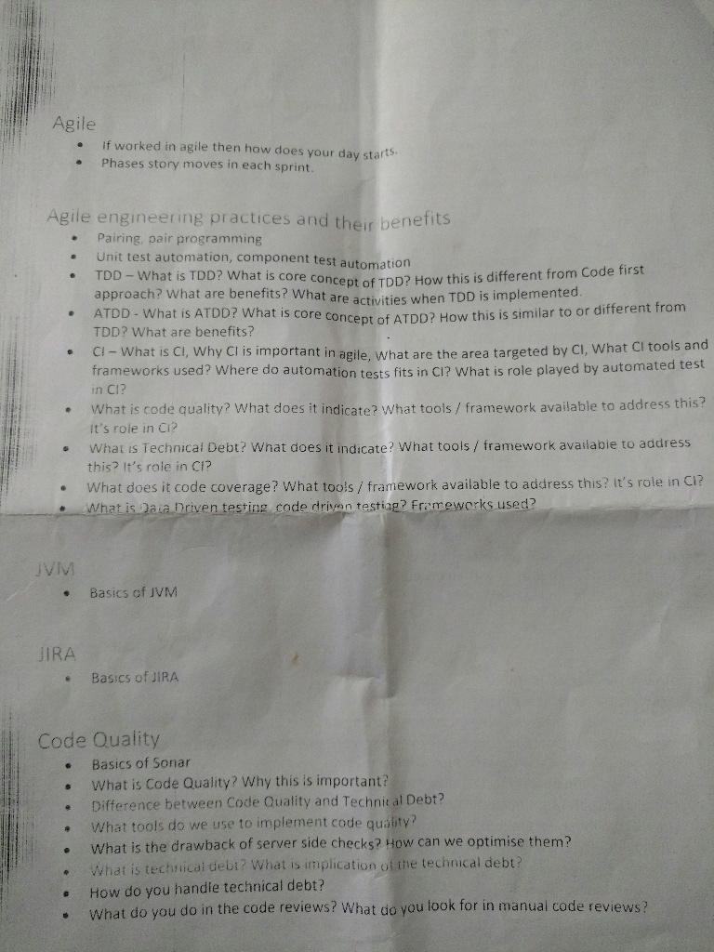
Item | Priority / Sequence | Status - Theory | Status - Hands on
JMS and MQ | 1 | Pending | Pending
ECS and Docker Hands-on | 1 | Pending | Pending
Big-O | 1 | Pending | Pending
ASYMPTOTIC NOTATIONS - WHAT DOES DEFINITION AND FORMULA MEAN ? - GONE OVER THE HEAD !!! | 1 | Pending | Pending
Http internals | 1 | Pending | Pending
Spring boot | 1 | Pending | Pending
Hash Table Functioning | 2 | Pending | Pending
DATA TYPES IN JAVA | 2 | Pending | Pending
DYNAMIC MEMORY ALLOCATION ?? | 2 | Pending | Pending
DYNAMIC PROGRAMMING ?? | 2 | Pending | Pending
Collection streams | 2 | Pending | Pending
Java performance optimization | 2 | Pending | Pending
Proxy pattern implementation | 2 | Pending | Pending
Security in Applications | 2 | Pending | Pending
Jaas and other authentication mechanism. Spring security | 2 | Pending | Pending
Cucumber | 3 | Pending | Pending
Try applying OOAD and OOD principles learnt to a sample app | 3 | Pending | Pending
Look for more topics | 3 | Pending | Pending
Java 9 ? | 3 | Pending | Pending
DATA STRUCTURES AND ALGORITHMS | 3 | Pending | Pending
Java internals - gc working | 3 | Pending | Pending
Code smells | 3 | Pending | Pending
Caching | 3 | Pending | Pending
Scala | 3 | Pending | Pending
Java 8 Features | 4 | Pending | Pending
Functional I/F and Lamda | 4 | Pending | Pending

 | Java, Spring : -
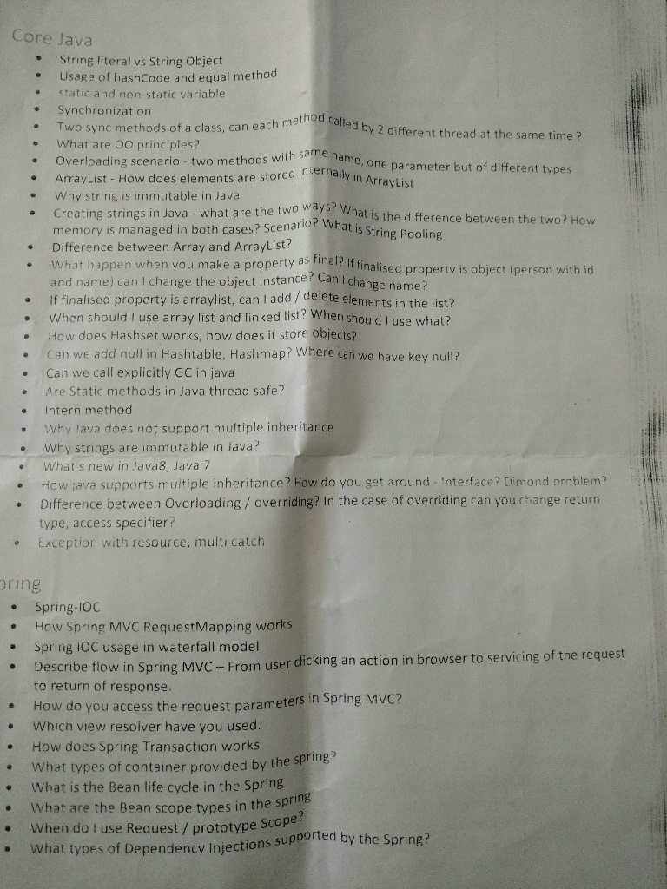

 |  | Spring,WebServices,Hibernate : -

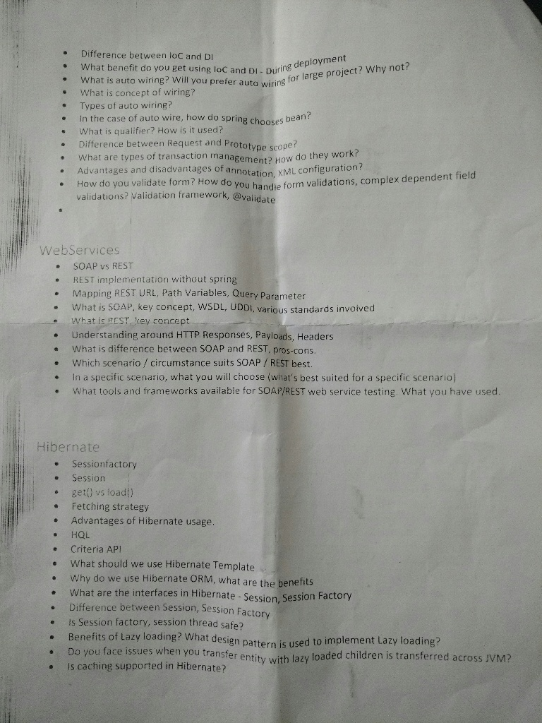

 |  | Hibernate,JUnit,Maven,Mockito : -

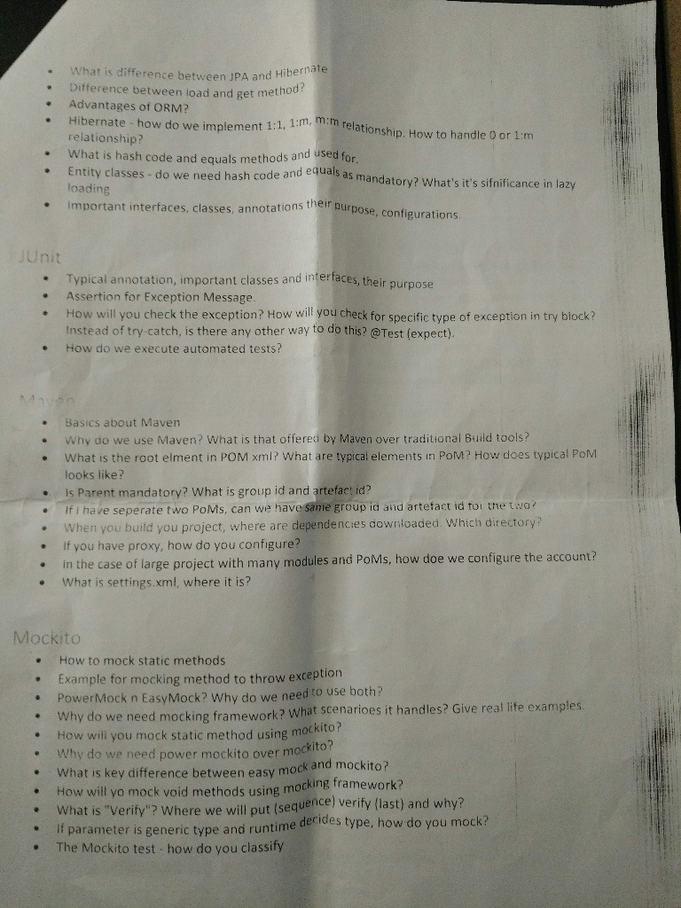

 |  | Misc

